Full Workflow
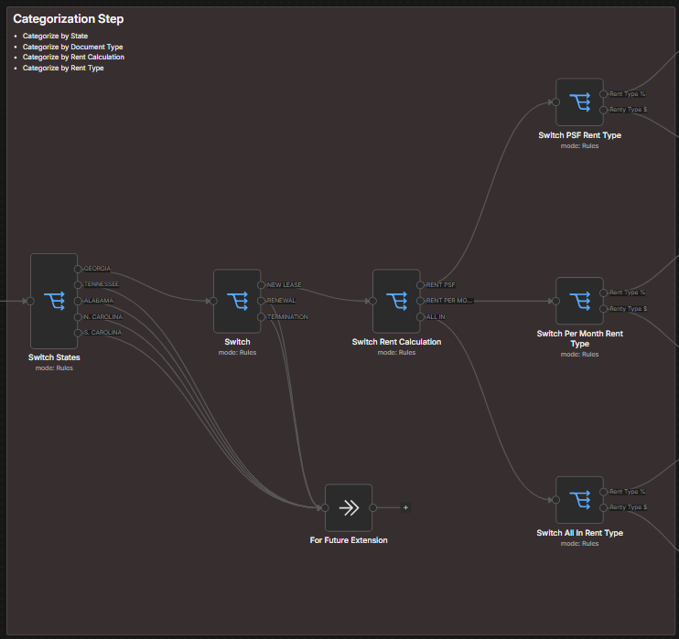
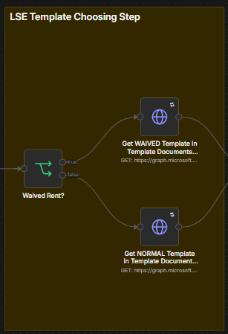
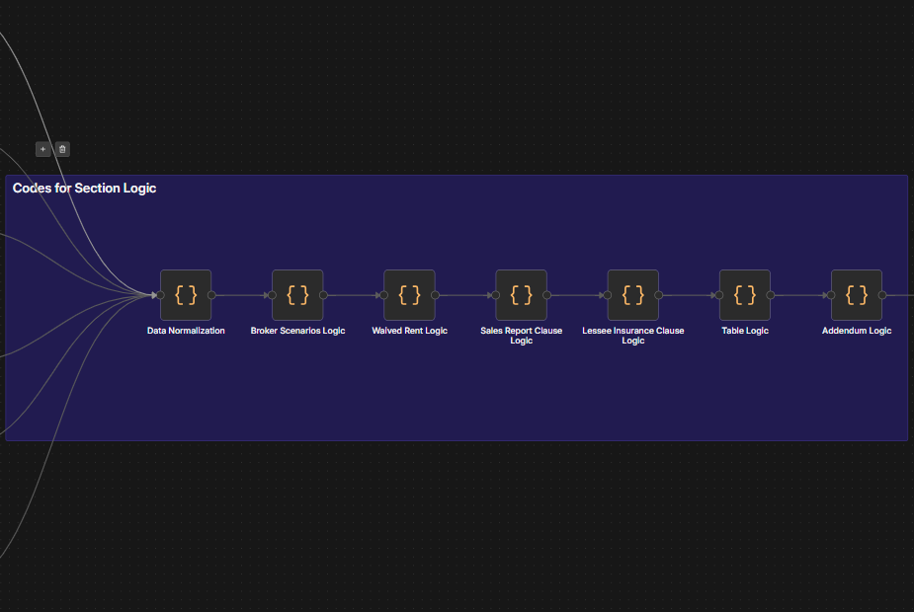

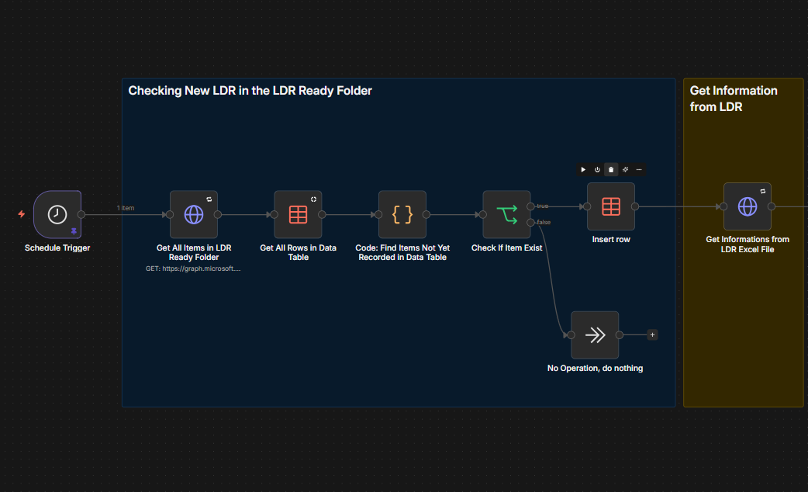

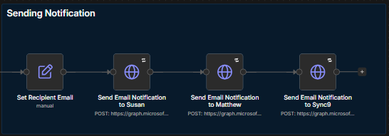

Worklfow Steps
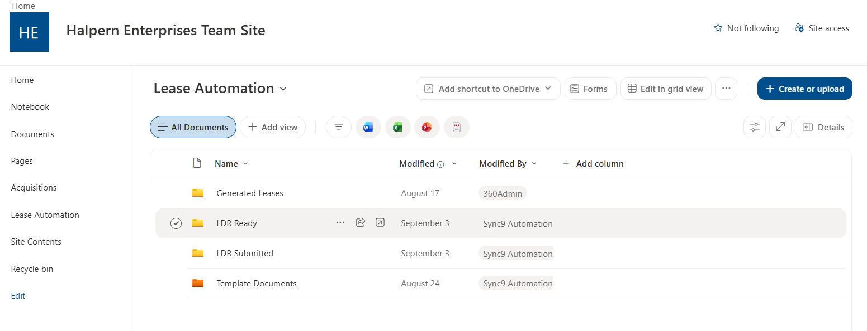

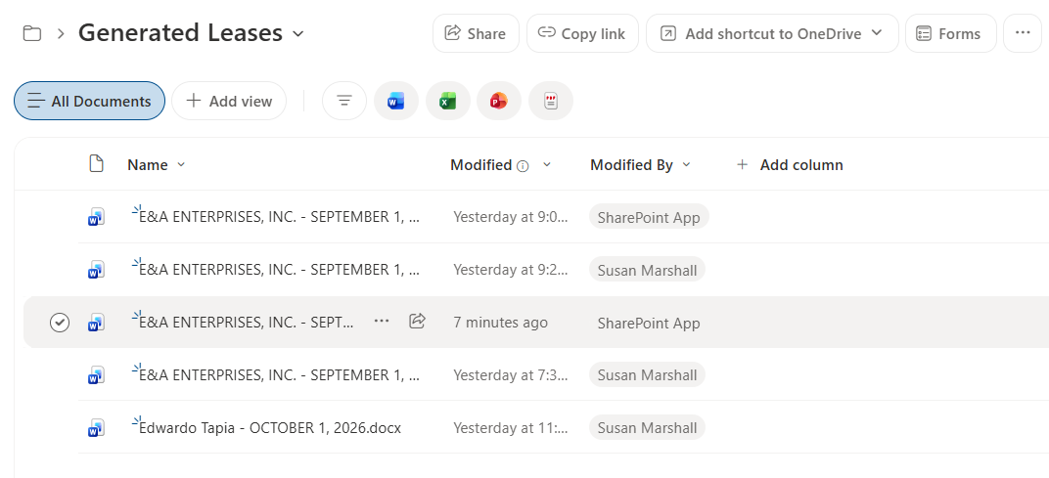

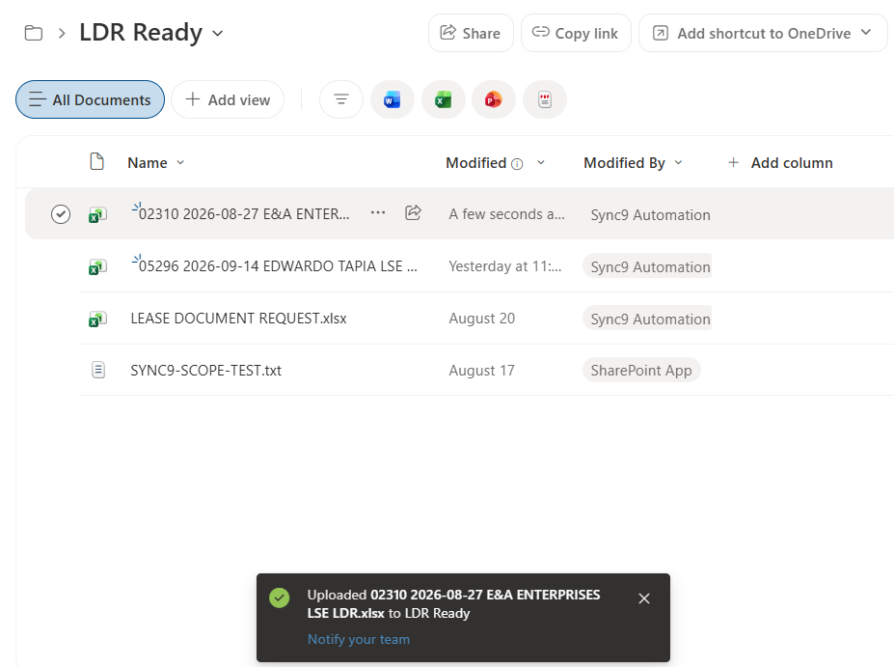
 | → |  | → | →

Step 1 |  | Step 2 |  |  | Step 3
- Completed & checked LDRs are put inside the LDR Ready folder for processing |  | - Workflow triggers upon creation or uploading of LDR document int the LDR Ready folder |  |  | - Generated Lease document will be saved in the Generated Leases folder
 |  | - Workflow was set to watch the LDR Ready folder every 5 minutes. This means that the generation of document will have atleast 5 minutes of delay upon creation of LDR document in the folder.

